Bug report
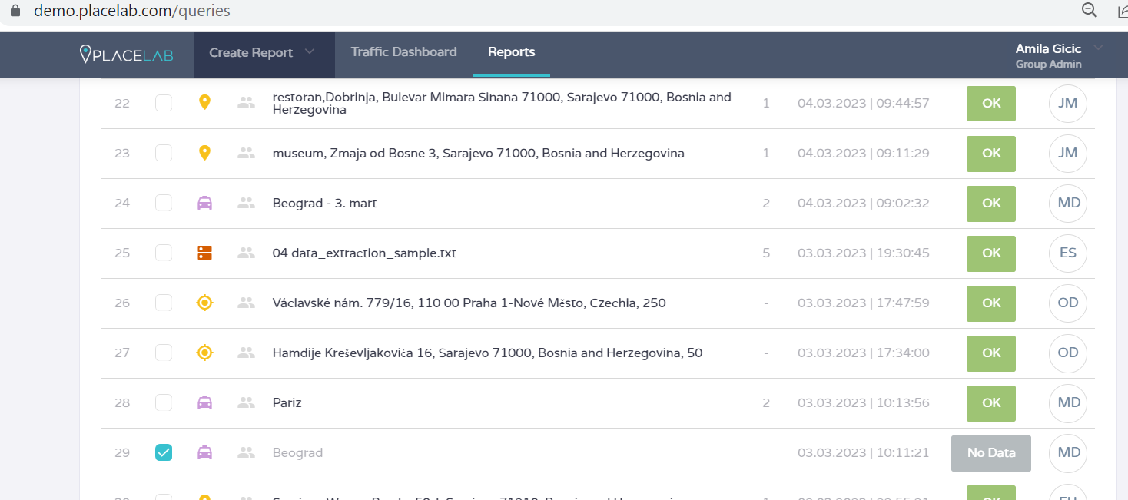
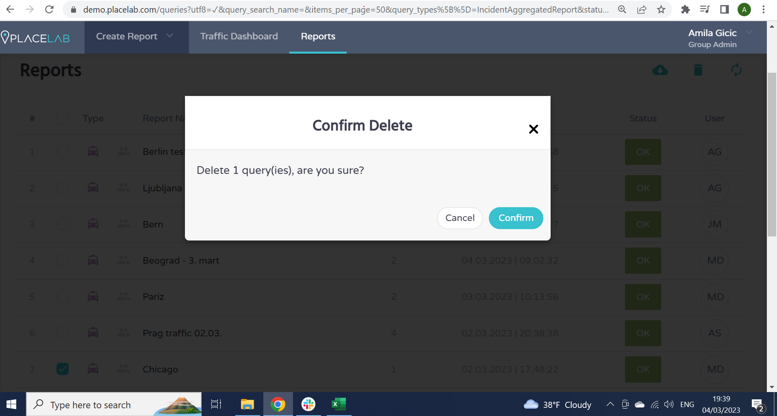
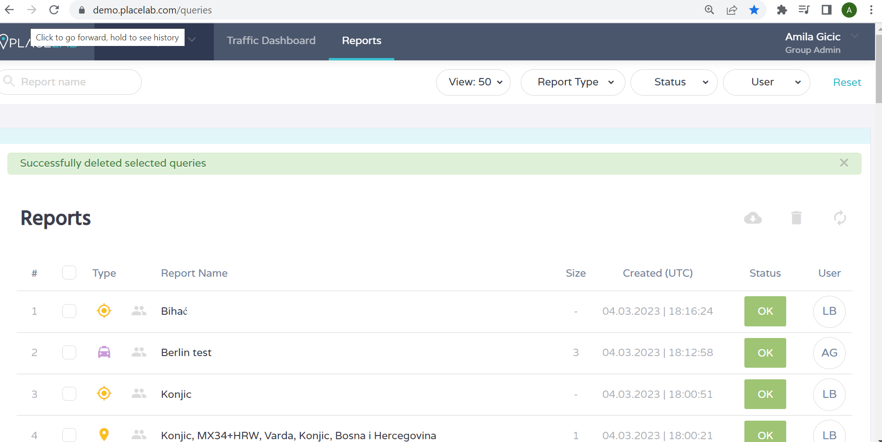
Project Name |  | Placelab module: Traffic incidents | Bug Title | Deleting Incident Aggregated report from report list that was not made by himself then by "xy" participant.
Bug ID |  | Bug_001 | Reporter | Qamp 2023 - Amila Gicic
Created By |  | Qamp 2023 - Amila Gicic | Assignee | *dev*

Priority |  | High | Severity | High
Environment |  | QA | Browser | Google Chrome

Description |  | After opening the Reports list and marking the check box in front of the Incident Aggregated report made by xy participant user is able to delete previously chosen report that was not made by himslef without any warning message, which is not the expected behaviour of the app.

Steps to Reproduce
1 | click on "Reports" field on navigation bar on top of Placelab demo page.
2 | mark check box in front of the Incident Aggregated report made by xy participant.
3 | click on tresh bin icon in the top right corner
4 | Click "Confirm" button.

Expected Results |  |  | Actual Results
User should not be able to delete Incident Aggregated report from report list that was made by "xy" participant. User should get message "User has no access for deleting Incident Aggregated report that is made by "xy" participant./"User is not authorised for finishing this action" |  |  | User is able to delete Incident Aggregated report from report list that was made by "xy" participant.

Status |  | New | Date | 4.3.2023.

Attachments

